ITP-022
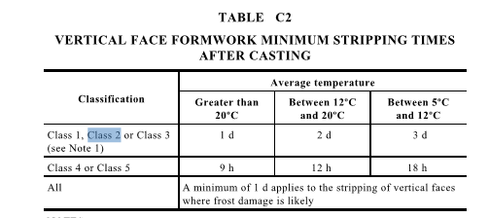
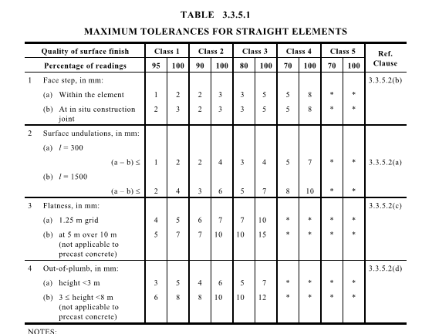
 |  |  | Inspection and Test Plan - Control and Supervision of the Works |  |  |  |  |  |  |  | Document # CTN-ITP-007
 |  |  |  |  |  |  |  |  |  |  | Revision : 0 | Date: 31/05/2023

Client: |  | Hobart International Airport Pty Ltd |  | Construction Process: |  | Prepared by: |  | Reviewed by : |  |  | Approved by :
Project: |  | Project Mercury Early Works At Hobart International Airport |  | Cast In-Situ Pits |  | Name: | Zac Buick | Name: |  |  | Name:
Contract No: |  | MER-EW-001 |  | Specifications: Hobart Airport Project Mercury Early Works Civil Specification
 |  |  |  | Structure / Component: In-Situ Pits |  | Signed : |  | Signed : |  |  | Signed :
 |  |  |  | Location: Hobart International Airport |  | Date : | 2023-07-05 | Date : |  |  | Date :

Item | Task/Activity Description |  | Inspection / Controls and Verification Detail |  |  |  |  | HP/ WP/ AP/ IP/ TP/ SCP | Responsibility | Checked by:
No. |  |  | Frequency | Acceptance Criteria | Reference Documents | Inspection / Test Method | Record of conformity |  | Project Engineer Site Engineer Superintendent Surveyor Foreman | QAV | Fulton Hogan | Date
1 | Preliminary Works
1.1 | Check that current revision drawings are being used |  | Prior to Commencing Work | Issued For Construction (IFC) and latest available revision used | IFC Project Drawings/ Drawing Register | Document review | Latest revision IFC drawings ITP signed | HP* | Site Engineer | N/A
1.2 | Implementation of all measures and controls |  | Prior to commencing any activity | All necessary measures and controls are being implemented, that is: PSP, EMP, TMP, SWMS & WP | OHSMP, EMP, TMS, SWMS, WP | Visual Inspection | This ITP Signed | HP* | Site Engineer | N/A
2 | Material Conformance
2.1 | Materials & source Approval - In-Situ Pits |  | Prior to works commencing 1 per delivery | In-situ Pit resources including bedding, reinforcing steel and formwork shall be as specified or as shown on the Drawings. | Work Procedure | Visual Inspection | Receival inspection checklist | IP | Site Engineer | N/A
2.2 | Materials & source Approval - Pit Covers |  | Prior to works commencing 1 per delivery | Pit covers shall be either cast iron, precast concrete covers or gratings as per drawings and shall be constructed and fixed to pits in accordance with relevant Tasmanian Standard Drawings | EW-CE-DRW-526-001 - Pit Schedule C.5.16 | Visual Inspection | Receival inspection checklist | IP | Site Engineer | N/A
2.3 | Materials & source Approval - Step Irons |  | Prior to works commencing 1 per delivery | For pit depths greater than 1200mm, provide 24mm galvanized hot dipped step irons or approved equivalent at 300mm centres measured from top of cover to invert level of the base as detailed on the drawings and in accordance with AS 1657-1992. | EW-CE-DRW-526-001 C.5.17 | Visual Inspection | Receival inspection checklist | IP | Site Engineer | N/A
2.4 | Source In-situ Pit Material |  | Each Lot | Concrete shall be at minimum 28-day strength, F’c of 32 MPa and when placed shall be well rammed to ensure thorough consolidation. | C.5.15 | Verify | Mix Design | IP | Site Engineer | N/A
3 | Construction \ Erection of Formwork
3.1 | Pouring Concrete |  | Each Lot | Excavation depth shall be as per specified or as shown on Drawings to accommodate structure including blinding layer / bedding. Excavations for pits shall be trimmed neatly to size so as to give the exact thickness of walls as required. | EW-CE-DRW-526-001 - Pit Schedule C.5.15 | Verify | This ITP signed | IP | Site Engineer | N/A
3.2 | Bedding |  | Each Lot | Pit base to be poured on 75mm min. depth of 75mm Class 3 FCR. | EW-CE-DRW-526-001 C.5.15 | Inspection | This ITP signed | HP | Site Engineer
3.3 | Formwork |  | Each Lot | Formwork shall conform to shapes, lines, levels and dimensions of the concrete shown or indicated on the Drawings. | Work Procedure | Verify | This ITP signed | IP | Site Engineer | N/A
3.4 | Subsurface Drainage Accomodation |  | Each Lot | Form holes in walls to accommodate subsurface drains as directed. | EW-CE-DRW-526-001 | Inspection | This ITP signed | IP | Site Engineer | N/A
4 | Reinforcement
4.1 | Steel Fixing |  | Each Lot | Reinforcement type and design to be in accordance with reinforcement schedule on DRW-526-001 with a 300 min. lap Reinforcing steel shall be bent and placed in accordance with AS 4671 and sufficient bar chairs shall be installed to ensure reinforcement is in the correct position. | EW-CE-DRW-526-001 Work Procedure | Verify | This ITP signed | IP | Site Engineer | N/A
4.2 | Reinforcement Installation |  | Each Lot | Pre-pour Checklist Completed: - Position and spacing check and recorded - Cover checked and recorded - Reinforcing supports checked and recorded - Laps at required length | Work Procedure | Inspection | This ITP signed | IP | Site Engineer | N/A
5 | Inspections
5.1 | Pre-pour Inspection - Pit Base and Pit Walls |  | Each Lot | Concrete shall not be placed until: (i) the evidence that the forms, reinforcement, any stressing materials and embedments conforming to the requirements of this specification and the drawings, has been reviewed by the Superintendent (ii) all foreign material has been completely removed from the forms Superintendent requires 48 HR notice for inspection. | C.5.15 | Inspection | Pre Pour Inspection Checklist Completed | HP | Site Engineer/ Superintendant
6 | Placing and Finishing Concrete
6.1 | Pour in-situ Pits |  | Each Lot | Pits shall be constructed to the detail shown on the drawings | EW-CE-DRW-526-001 | Inspection | Concrete pour record and delivery docket | HP* | Site Engineer | N/A
6.2 | Finishing |  | Each Lot | Concrete to be vibrated to ensure compaction and air voids removed. Screed finish required on exposed surfaces Concrete surface finishes to meet Class 4 requirements as per table 3.2.3 and 3.3.5.1 of AS 3610. (Attached Below) | Work Procedure | Verify | Completion of prepour inspection checklist | IP | Site Engineer | N/A
6.3 | Installation of Pit Cover |  | Each Lot | Precast concrete cover or cast iron concrete infill SEP cover to be installed as scheduled | EW-CE-DRW-526-001 | Verify | This ITP Signed | IP | Site Engineer | N/A
6.4 | Concrete Testing |  | Each Lot | Concrete Testing to be carried out as per specifications. In AS 1379 | Work Procedure | Verify | Test Results | TP | Site Engineer | N/A
7 | Post Pour Details and Inspections
7.1 | Concrete Curing |  | Each Lot | Concrete to be cured as per project specifications | EW-CE-SPC-000001 | Verify | This ITP Signed | IP | Site Engineer | N/A
7.1 | Removal of Formwork |  | Each Lot | Stripping of vertical faces in accordance with AS 3610 as per Table C2. See Table C2 Below. | AS 3610 | Verify | This ITP Signed | IP | Site Engineer | N/A
7.2 | Allowable Tolerances Level & Alignment |  | Each Lot | The horizontal deviation of any piped or box culverted drain shall not exceed 25mm from the true alignment. There shall be no obvious sharp changes of direction. The maximum deviation from grade shall not exceed + or - 10mm for grades flatter than 1 in 500 and + or - 20mm for grades steeper than 1 in 500. The grade of any piped, box culverted, or open drain shall not exceed + or - 5% for grades flatter than 1 in 500 and + or - 10% for grades steeper than 1 in 500. Invert levels at structures shall not exceed + or - 10mm from the design invert. As-built survey completed for lot | Work Procedure | Verify | This ITP Signed | SCP | Site Engineer | N/A
7.3 | Post-pour Checklist |  | Each Lot | Completion of Pre Pour checklist quality checks. | Work Procedure | Inspection | Pre Pour Inspection Checklist Completed | HP* | Site Engineer | N/A
7.4 | Backfilling Around Pits |  | Each Lot | Backfilling to match pavement design and to occur min. 72 hours post concrete pour. | Work Procedure | Inspection | This ITP Signed | HP* | Site Engineer | N/A

 | Final Inspection
 | The signature below verifies that this ITP has been completed in accordance with the FH’s Quality system Procedures and verifies lot compliance with specifications.
 | Print Name: |  | Position: |  | Signature: |  |  |  |  | Date: / /

Legend
HP | Hold Point | Work shall not proceed past the HP until released by the Superintendent |  |  | IP | Inspection point |  | Formal Inspection to be done and recorded
HP* | FH Hold Point | Work shall not proceed past the HP* until released by FH |  |  | TP | Test Point |  | Product compliance test to be undertaken and recorded/reported
AP | Approval Point | Written or verbal approval given by the Superintendent |  |  | SCP | Survey conformance point |  | A qualified surveyor to check product/section/structure and report
WP | Witness Point | An inspection which must be witnessed by the Superintendent |  |  | WP* | Fulton Hogan Witness Point |  | An inspection which must be witnessed by Fulton Hogan Representative

